Command guide
ESC/VP21 Command
User’s Guide

Table of contents
1 | Introduction of ESC/VP21
2 | ESC/VP21 Command Formats
3 | Projector state and commands
4 | Error status
5 | Applicable model
6 | Appendix
7 | Revision history

Copyright Notice: All rights reserved. No part of this publication may be reproduced, stored in a retrieval system, or transmitted in any form or by any means, electronic, mechanical, photocopying, or otherwise, without the prior written permission of SEIKO EPSON CORPORATION. No patent liability is assumed with respect to the use of the information contained herein. Neither is any liability assumed for damages resulting from the use of the information contained herein. Neither SEIKO EPSON CORPORATION nor its affiliates shall be liable to the purchase of this product or third parties for damages, losses, costs, or expenses incurred by purchaser or third parties as a result of: accident, misuse, or abuse of this product or unauthorized modifications, repairs, or alterations to this product, or (excluding the U.S.) failure to strictly comply with SEIKO EPSON CORPORATION(s operating and maintenance instructions. SEIKO EPSON CORPORATION shall not be liable against any damages or problems arising from the use of any options or any consumable products other than those designated as Original EPSON Products or EPSON Approved Products by SEKO EPSON CORPORATION. EPSON is a registered trademark of SEIKO EPSON CORPORATION. EasyMP is a trademark of SEIKO EPSON CORPORATION. Macintosh, Mac, and iMac are registered trademarks of Apple Computer, Inc. IBM is a registered trademark of International Business Machines Corporation. Windows and Windows NT are registered trademarks of Microsoft Corporation in the United States of America. General Notice: Other product names used herein are also for identification purposes only and may be trademarks of their respective owner. EPSON disclaims any and all rights in those marks.

©SEIKO EPSON CORPORTION 2003-2012. All rights reserved.

1. Introduction of ESC/VP21
ESC/VP21 is a control command and protocol for Epson projectors, which is used for A/V controller to control and monitor Epson projectors. The command codes are comprised of ASCII codes. Therefore the command codes can be understood very easily and you can easily control projectors using a PC with a terminal emulator such as Microsoft Hyper terminal.
Since ESC/VP21 is independent of communication protocols. Serial, USB or TCP/IP network can be used to transmit the commands to projectors.

* Serial connection

A/V controller normally use as serial connection to control projectors. Refer to Appendix for details.

* USB connection

A USB interface can be used to control a projector. Refer to Appendix for details.
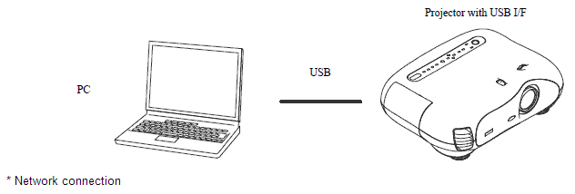

After establishing a TCP session, ESC/VP21 commands can be sent to projectors. Refer to ESC/VP.net protocol manual

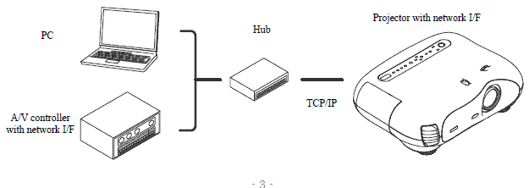

2. ESC/VP21 Command Formats

2.1. Set command format
A set command consists of a command and a parameter. Projector returns a colon after executing the command. There are two types of parameters. One is fixed such as ON, OFF, or 21. Other is a step parameter such as INC, DEC or INIT. INC: increments the parameter by one. DEC: decrements the parameter by one. INIT: initializes the parameter.

2.2. Get command format
A get command consists of a command and ?. Projector returns a response parameter after executing the command.

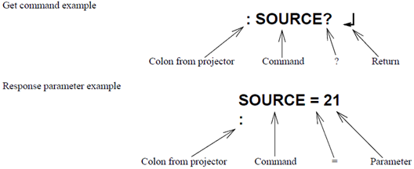

2.3. Null command
The null command is as command code of the return key code (Hex 0D). Projector returns a colon. The null command can be used to confirm that the projector is in operation.

2.4. Illegal commands
Projector returns “ERR” and a return key code (Hex 0D) and a colon when it receives invalid commands.

ERR
：

3. Command transmission timing

3.1. Power on state
A command should be sent after receiving the colon of the previous command from the projector. In case that you can not wait for the colon and send a command after receiving it, instead send a command after the execution time listed in the following table.

 | Command | Excution time
 | PWR ON | 40 seconds (*1)
 | PWR OFF (*4) | 10 seconds
 | SOURCE (*3) | 5 seconds (*2)
 | All others | 3 seconds

(*1) When a projector receives the PWR ON command, it tries to ignite the lamp by activating the ballast unit. In case that the lamp fails to be ignited, it tries to ignite the lamp three times at maximum. When the lamp fails to be ignited three times, it is a lamp failure. The projector returns a colon within 40, 70 and 100 seconds when successful in the first, second and third times respectively.
(*2) When the input vide sync signal is stable, a colon is returned within 5 seconds. However, it may take more than 5 seconds when the input video sync signal is unstable.

(*3) Projector initiates the process of the input video signal recognition when it receives a SOURCE command. If the signal of the video input is changing (for example, from SVGA to XGA by A/V controller) during the process of the input video signal recognition, the projector returns “ERR”.

(*4) Projectors execute the PWR OFF command after they start completely.

3.2. Warning and abnormal cases
Projector executes commands normally while a warning indicator such as a high temperature warning is on. Projector does not execute commands nor return a colon when the projector is in an abnormal state such as a lamp failure and abnormal high temperature.
When an abnormal state is continued for 130 seconds after, PWR ON command becomes possible.

4. Error Status

A projector returns the error status when a projector receives "ERR?" command.
The following table shows the return codes and the meaning of error status.
Command | Return code
ERR? | 00 ：There is no error or the error is recovered
 | 01 ：Fan error
 | 03 ：Lamp failure at power on
 | 04 ：High internal temperature error
 | 06 ：Lamp error
 | 07 ：Open Lamp cover door error
 | 08 ：Cinema filter error
 | 09 ：Electric dual-layered capacitor is disconnected
 | 0A ：Auto iris error
 | 0B ：Subsystem Error
 | 0C ：Low air flow error
 | 0D ：Air filter air flow sensor error
 | 0E ：Power supply unit error (Ballast)
 | 0F ：Shutter error
 | 10 ：Cooling system error (peltiert element)
 | 11 ：Cooling system error (Pump)
 | 12 ：Static iris error
 | 13 ：Power supply unit error (Disagreement of Ballast)
 | 14 ：Exhaust shutter error
 | 15 ：Obstacle detection error
 | 16 ：IF board discernment error

5. Applicable model

Please refer to the "Product list".

6. Appendix
6.1. Communication specification
A projector and a computer can be connected using a serial or USB port. The projector can be remotely controlled by sending commands to the projector.

Serial connection: (TW100,TS10,TW10,TW200,TW500,TW10H,TW200H,TW20,TW600/520/550/800,TW700,TW1000,TW2000,PL-HomeCinema400/700/720/1080/1080UB/705HD/6100/6500UB/8100/8345/8350/8500UB, TW450, TW420 PL-ProCinema800/810/1080/1080UB/7100/7500UB/9100/9350/9500UB), TW8000/TW9000/TW8000W/ TW9000W

Select RS-232C at Advanced Setting of the Menu.
Communication condition
Baud rate |  | : 9600bps
Data length |  | : 8 bits
Parity |  | : No
Stop bit |  | : 1 bit
Flow control |  | : No
Connector |  | : D-Sub 9pin
Projector input |  | : Control(RS-232C)

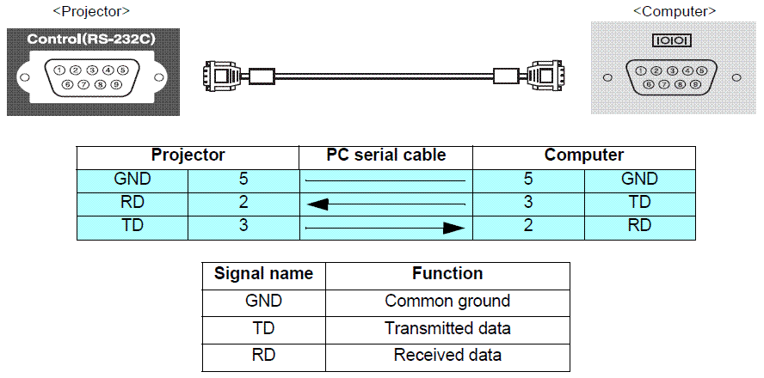

7. Revision History
Revision | Issued date | Page | Description
A | Nov 9th, 2012 | All page | New release as new format

Product list
Applicable model list of ESC/VP21 command

Current model
Previous model

Home Basic model (2011~2012)
EH-TW6000/HomeCinema3010/3010+/TW6500C/TW5900/TW5800C
EH-TW6000W/PL-HomeCinema3010e/TW6550C
Home Basic model (2012~)
EH-TW6100/HomeCinema3020/3020+/TW6510C/TW5910/TW5810C
EH-TW6100W/TW6515C/PL-HomeCinema3020e
Home theatre model (2011~2012)
EH-TW8000/PL-HomeCinema5010/EH-TW8500C/TW9000/PL-ProCinema6010/TW9500C
EH-TW8000W/PL-HomeCinema5010e/EH-TW9000W
Home theatre model (2012~)
EH-TW8100/PL-HomeCinema5020UB/TW8510C/TW9100/PL-ProCinema6020UB/TW9510C
EH-TW8100W/HomeCinema5020UBe/TW8515C/TW9100W/TW9515C
High-end Home theatre model (2012)
EH-R4000/R2000/R1000
Home Entry model (2011~)
EH-TW400/TW480/TW490C/TW470C
PL-Home Cinema 710HD/707
Home Entry 3D model (2012~)
EH-TW510/TW550/TW560C
PL-HomeCinema750HD
TW3600 series (2010~)
EH-TW3600/3200/3300C/3700C/3850C
PL-HomeCinema8350/8345/ProCinema9350
TW3500 series(2009~2011)
EH-TW3500/2900
PL-Home cinema 8100/ 9100
TW4500 series(2009~2011)
EH-TW4400/TW4500/TW5500/TW5850C
PL-Home Cinema 8500UB/8700UB, ProCinema 9500UB/9700UB
TW3000 series (2008~2009)
EH-TW2800/TW3000/TW3800
PL-Home Cinema 6100/Pro Cinema 7100
TW4000 series (2008~2009)
EH-TW4000/TW5000/TW5800
PL-Home Cinema 6500UB/Pro Cinema 7500UB
TW2000 series (2007~2008)
EMP-TW2000
PL-ProCinema 1080UB/HomeCinema 1080U
TW1000 series (2006~2007)
EMP-TW1000/TW980
PL-Pro Cinema 1080/HomeCinema 1080

